Sheet33
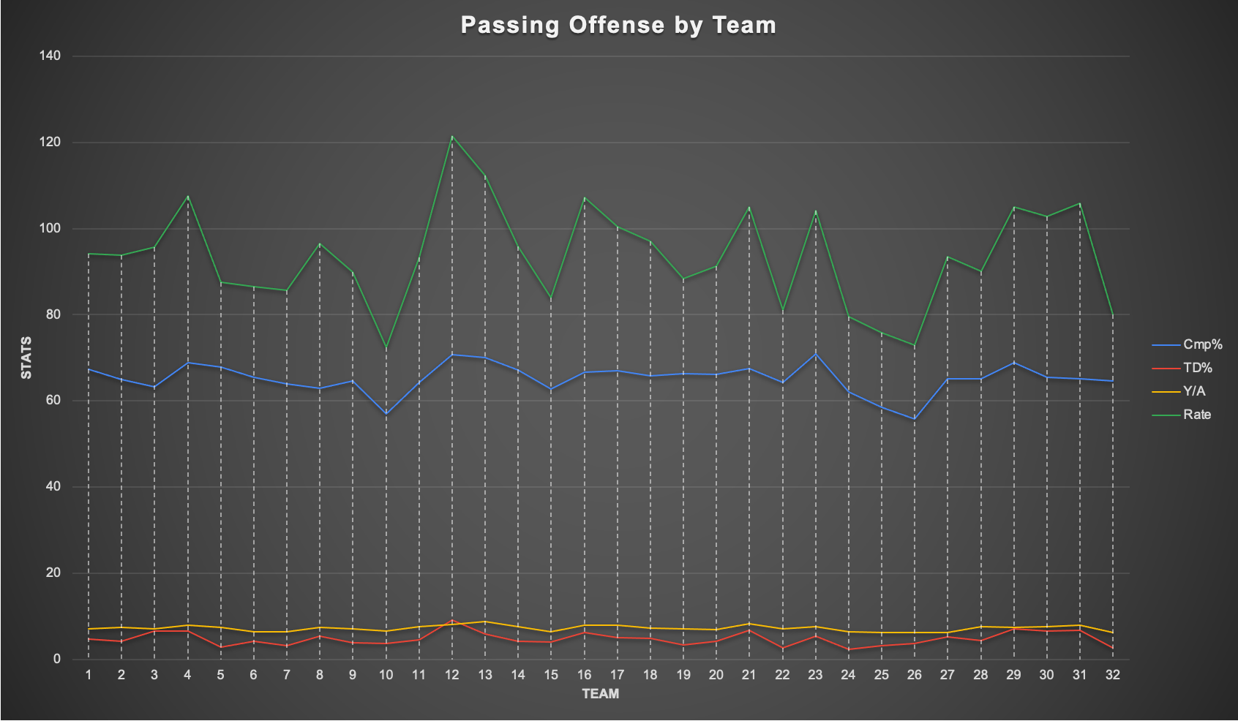
Identifier | Team
1 | Arizona Cardinals
2 | Atlanta Falcons
3 | Baltimore Ravens
4 | Buffalo Bills
5 | Carolina Panthers
6 | Chicago Bears
7 | Cincinnati Bengals
8 | Cleveland Browns
9 | Dallas Cowboys
10 | Denver Broncos
11 | Detroit Lions
12 | Green Bay Packers
13 | Houston Texans
14 | Indianapolis Colts
15 | Jacksonville Jaguars
16 | Kansas City Chiefs
17 | Las Vegas Raiders
18 | Los Angeles Chargers
19 | Los Angeles Rams
20 | Miami Dolphins
21 | Minnesota Vikings
22 | New England Patriots
23 | New Orleans Saints
24 | New York Giants
25 | New York Jets
26 | Philadelphia Eagles
27 | Pittsburgh Steelers
28 | San Francisco 49ers
29 | Seattle Seahawks
30 | Tampa Bay Buccaneers
31 | Tennessee Titans
32 | Washington Football Team

